Login>Home
To gain access into the system the application admin/operator, sales personnel, and service personnel must enter their credentials such as the username and password
To reset the user's account/password, there will be a forgot password link below the sign in button. To search for the user account, the user needs to enter his/her email address.
This will be the result section once the user has find his/her account. Once the user click on the continue button, the reset account link will be sent to the user's email account

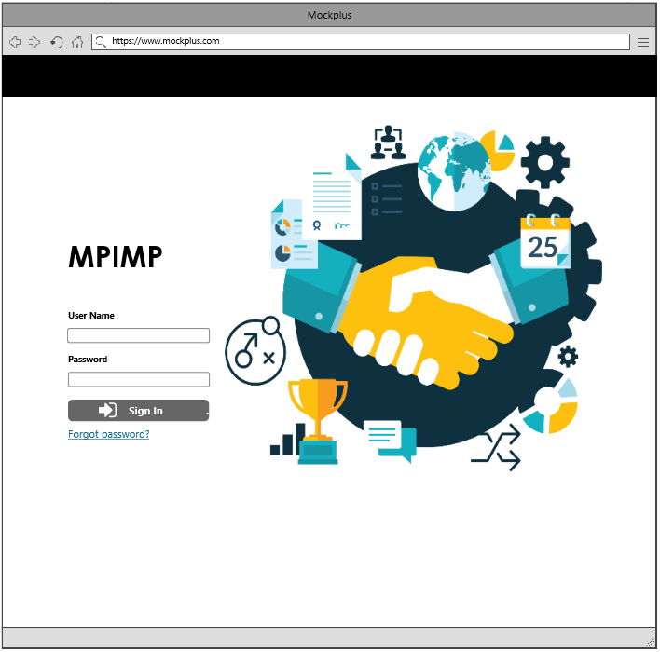
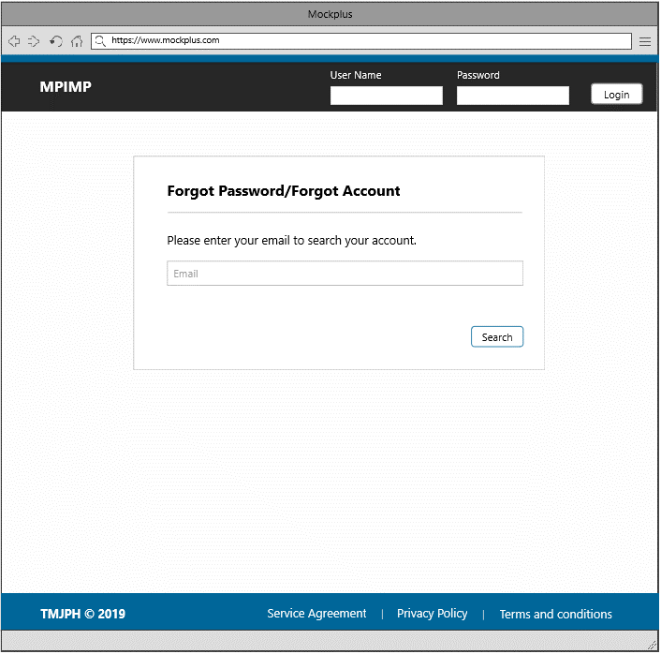
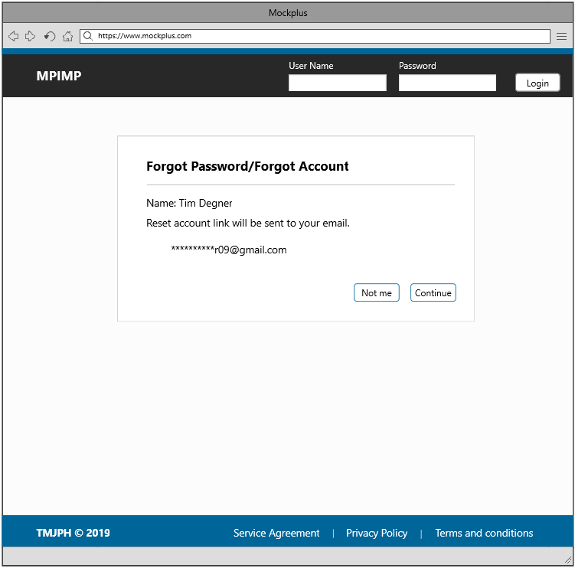

Unable to remember the account/password. The user will be redirected to this page once the forgot password link is clicked
Successfully find the user's account. The user will be redirected to this page once he clicked the search button

2
3
3

1

2

1

1-Sign In Button | 3-Search Button
2-Forgot Password Link

Successfully logged into the system. The admin will be redirected to this page.

This is the service personnel landing page, wherein the sales personnel has the capability to view different information from the system such as the list of services, pricing, authorization, agencies and security setting. The service personnel also has the capability to create/update/delete a service information and pricing event information. The service personnel will be redirected to a section once he/she select from the item below. This section contains the template for the header and footer.
There are two sections in this page; Account Settings and Contact Information. Each section consists of different information, the account settings section provides a reset password functionality.

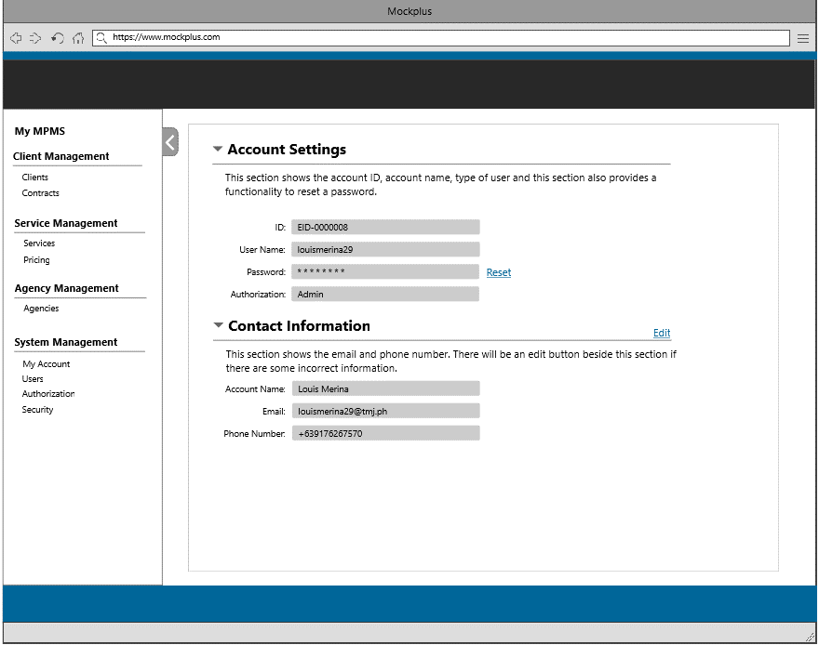
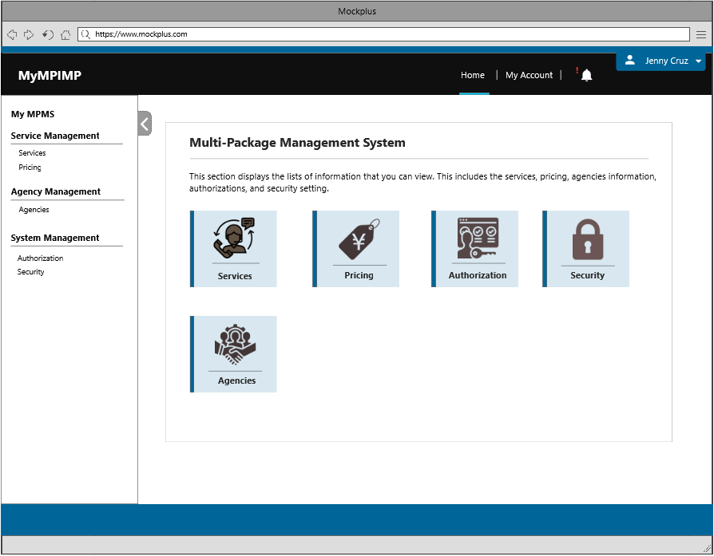

4

Check the user's account details/reset the user's password.

4

4-My Account Page

Service Information
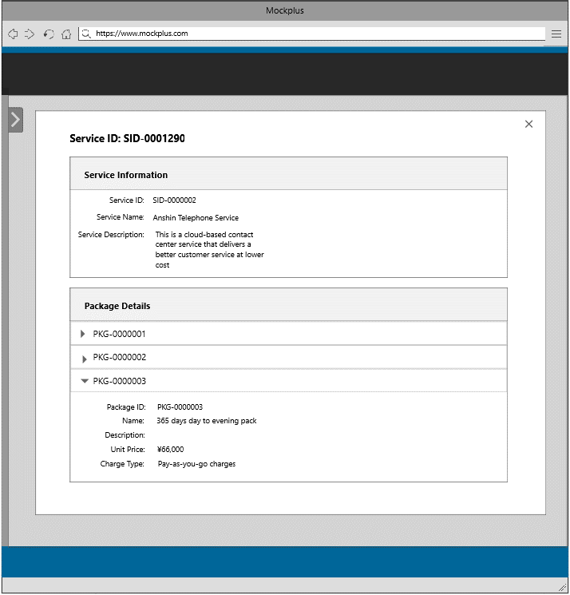
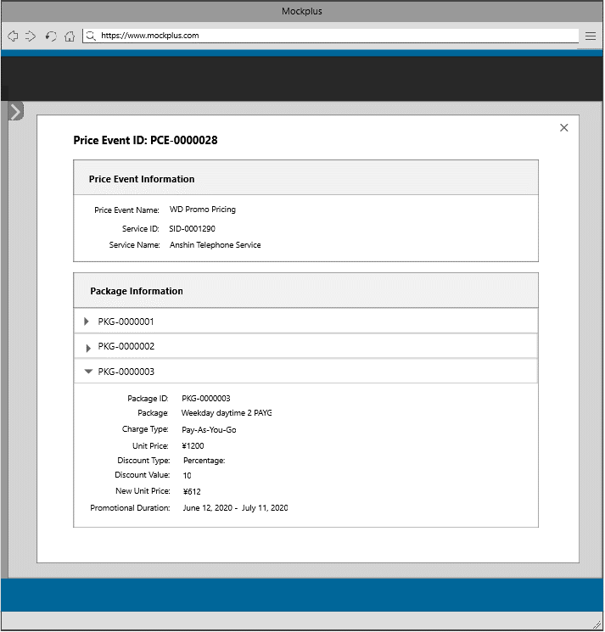
This is the service personnel landing page, wherein the sales personnel has the capability to view different information from the system such as the list of services, pricing, authorization, agencies and security setting. The service personnel also has the capability to create/update/delete a service information and pricing event information. The service personnel will be redirected to a section once he/she select from the item below. This section contains the template for the header and footer.

1
2

1
2

1-Service Information
2-Pricing Information

This section shows all services entered into the system. The user can also search for a particular service by entering the service ID, service name, or keyword in the search box.

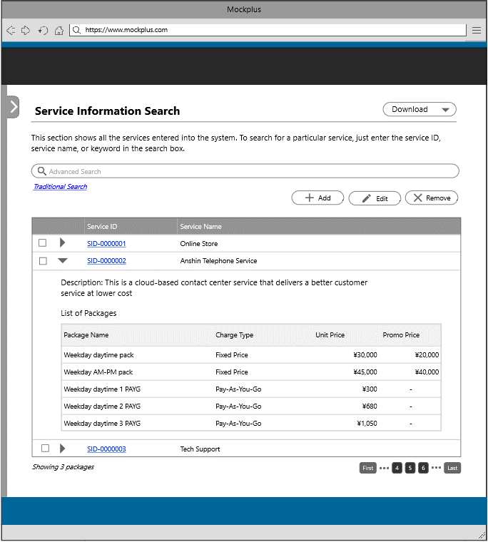

The user will be redirected to this page once the service information tile or link is clicked

3
4
5

1

3-Add Button
4-Edit Button
5-Remove Button

3

The user will be redirected to this page to add a new service information

This section shows all the details that will be inserted into the system. This serves as a review section for the user to check if all the data that he/she has inputted is correct. If there are some corrections, there will be an edit button beside each section.

This section allows the user to create a new service by filling in the service name and service description. To create package/s in the service, the user needs to fill in the the package name, package description, unit price and charge type.

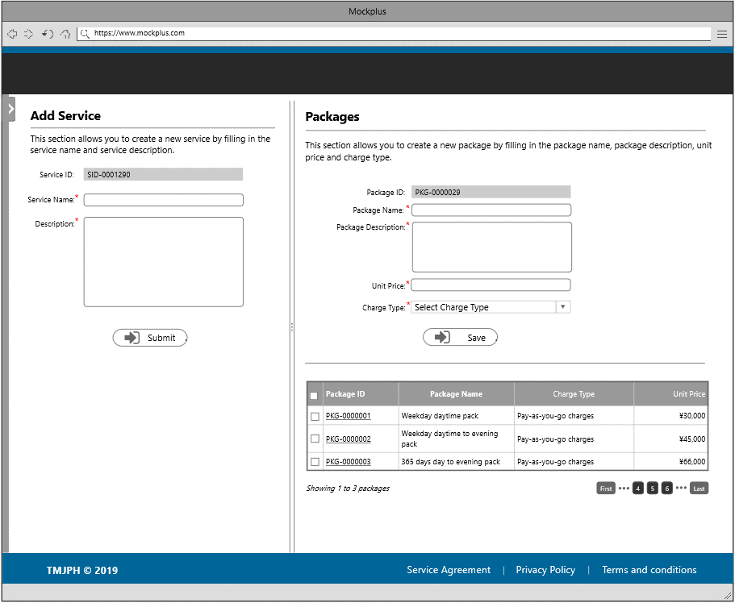
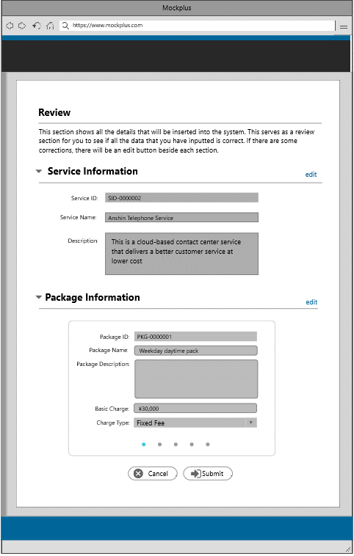

The user will be redirected to the review section once the next button is clicked

6
6

6 - Submit Button

4

The user will be redirected to this page to update a service information

This section shows all the details that will be updated into the system. This serves as a review section for the user to check if all the data that he has updated is correct. If there are some corrections, there will be an edit button beside each section.

This section allows the user to update a service information and update package/s by modifying some details . The user can also add/remove a package in this section.

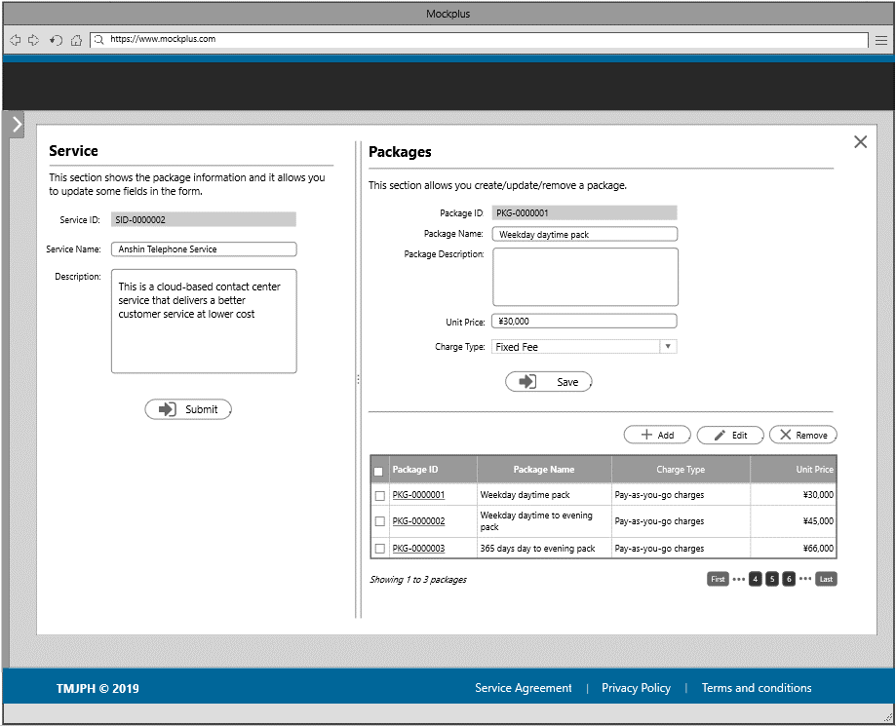
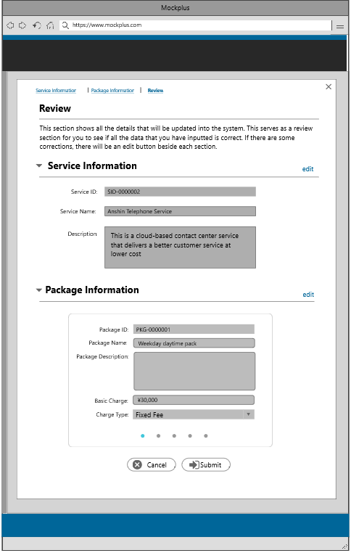

The user will be redirected to the review page once the next button is clicked

7
7

4

The user will be redirected to this page to delete a service information

This section allows the user to delete a service information. Before the user can the delete the selected item, there will be a confirmation message wherein the user needs to input the service name in the space provided.

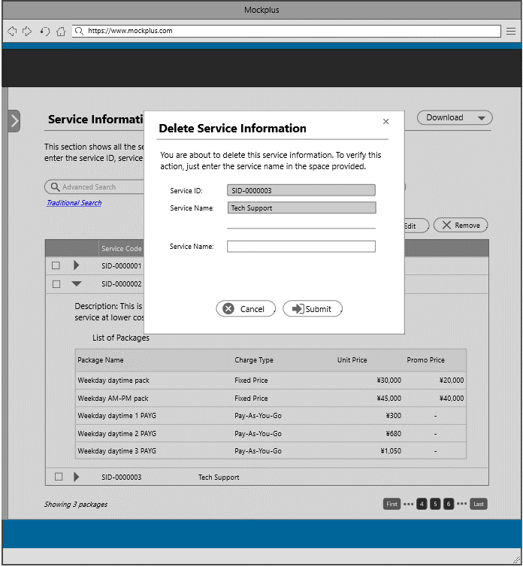

This section shows all the price event entered into the system. The user can search for a particular price event by entering the price event ID, price event name, or keyword in the search box.

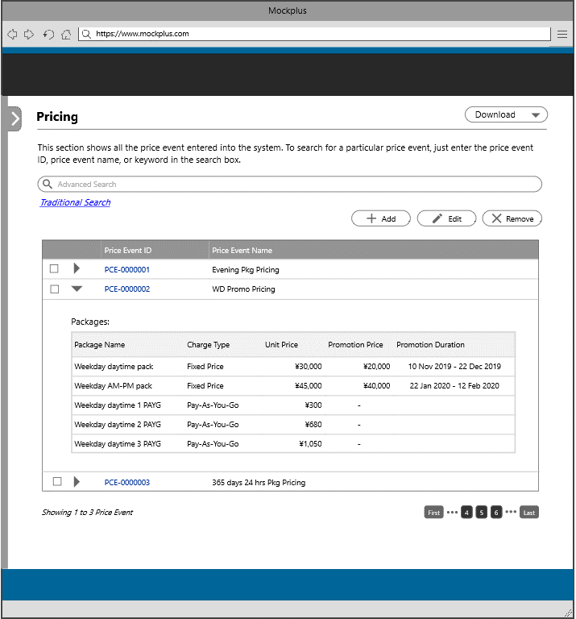

The user will be redirected to this page once the pricing information tile or link is clicked
8
9
10

2

8-Add Button
9-Edit Button
10-Remove Buttn

8

The user will be redirected to this page to add a new price event

This section shows all the details that will be inserted into the system. This serves as a review section for the user to check if all the data that he/she has inputted is correct. If there are some corrections, there will be an edit button beside each section.
This section shows all the details that will be inserted into the system. This serves as a review section for the user to check if all the data that he/she has inserted is correct. If there are some corrections, there will be an edit button beside each section.

This section allows the user to create a new price event by filling in the price event name. To add a service into the price event, the user must select item from the right panel of the page.
To add a package into the price event, the user must select item from the right panel of the page. This section allows the user to add a new unit price.

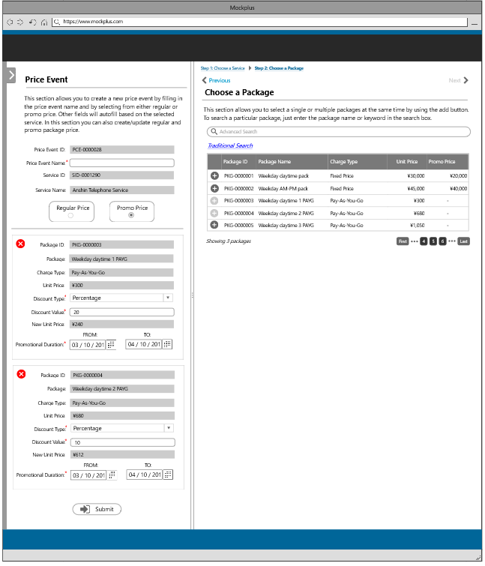
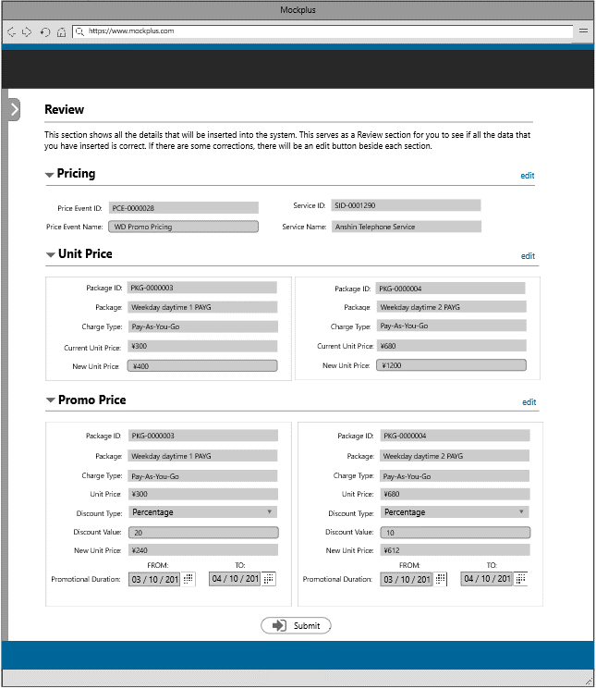
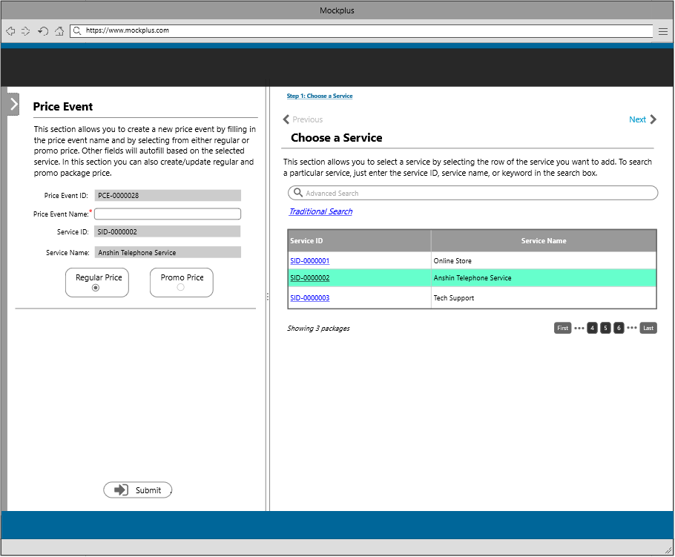
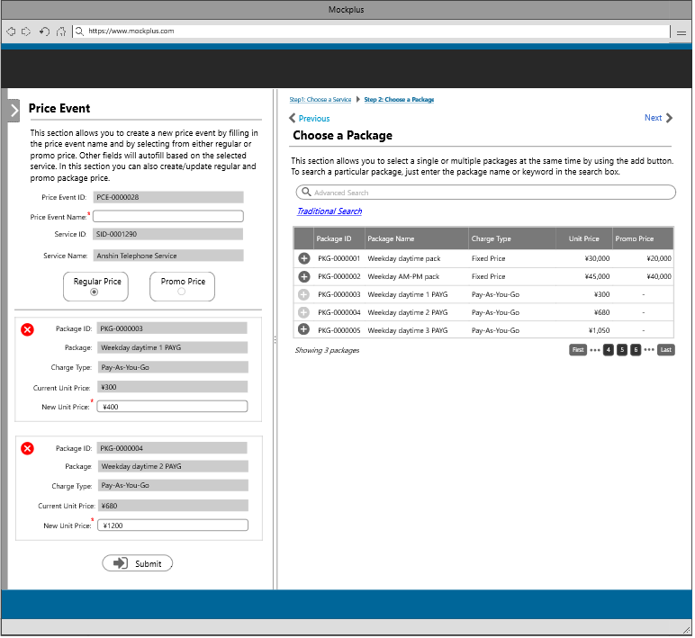

13
11

The user will be redirected to the pricing page once the next button is clicked
The user will be redirected to the promo pricing page once the next button/promo price tab is clicked
The user will be redirected to the review page once the submit button is clicked

12

11
12
13

13
13
13

11-Next Page |  | 12-Next Page | 13-Submit Button/Review Section
13-Submit Button/Review Section |  | 13-Submit Button/Review Section

9

The user will be redirected to this page to update price event information

This section shows all the details that will be updated into the system. This serves as a review section for the user to check if all the data that he/she has updated is correct. If there are some corrections, there will be an edit button beside each section.
This section allows the user to update a price event by modifying the price event name. To update a package into the price event, the user must select item from the right panel of the page. This section also allows the users to update the unit price of a package.
This section allows the user to update a promo price. Following are the fields that the user can modify; discount type, discount value, and promotional duration.

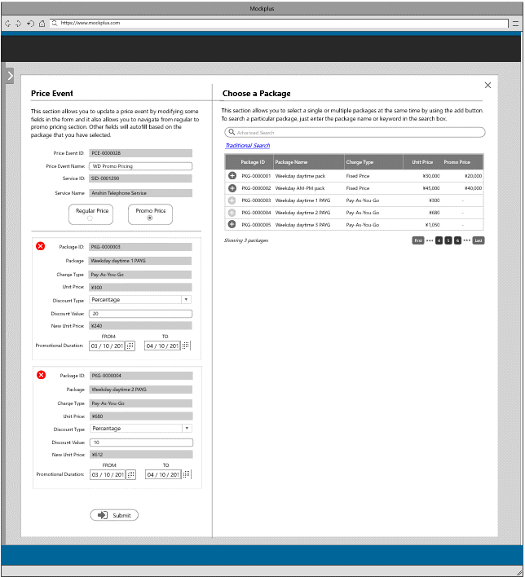
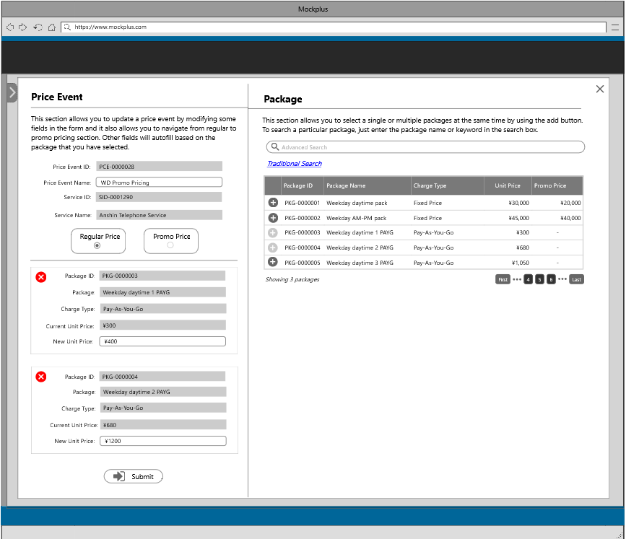
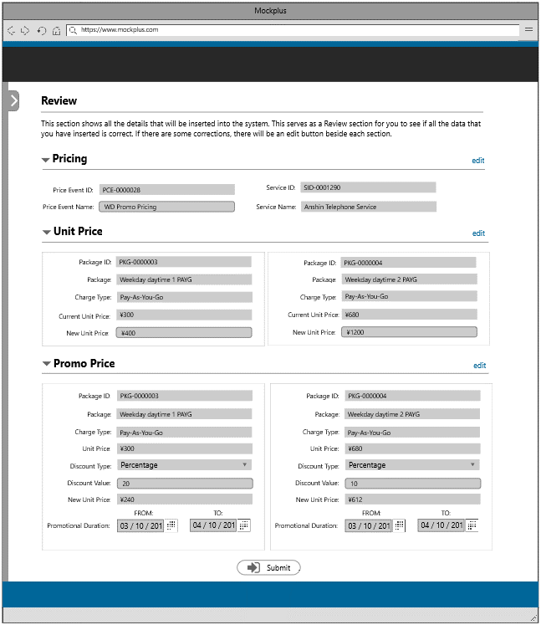

The user will be redirected to the promo pricing section once the promo price tab is clicked
14
The user will be redirected to the review section once the submit button is clicked

14
15

15
15

14-Promo Pricing Tab | 15-Submit Button
15-Submit Button

10

The user will be redirected to this page to delete a price event information

This section allows the user to delete a price. Before the user can the delete the selected item, there will be a confirmation message wherein the user needs to input the price event name in the space provided.

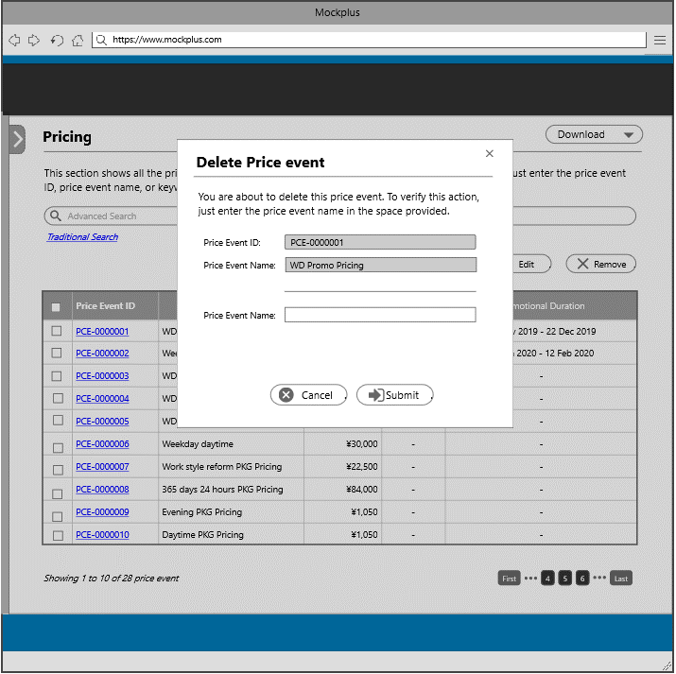

This section displays the complete service information.
This section displays the complete price event information.

System Management
This is the service personnel landing page, wherein the sales personnel has the capability to view different information from the system such as the list of services, pricing, authorization, agencies and security setting. The service personnel also has the capability to create/update/delete a service information and pricing event information. The service personnel will be redirected to a section once he/she select from the item below. This section contains the template for the header and footer.

1
2

1

2

1-Authorization
2-Security

This section shows the user role, role description, and type of permissions when accessing different information from the system. This type of permissions are: view, add, edit, remove, all access, and exclusive access.

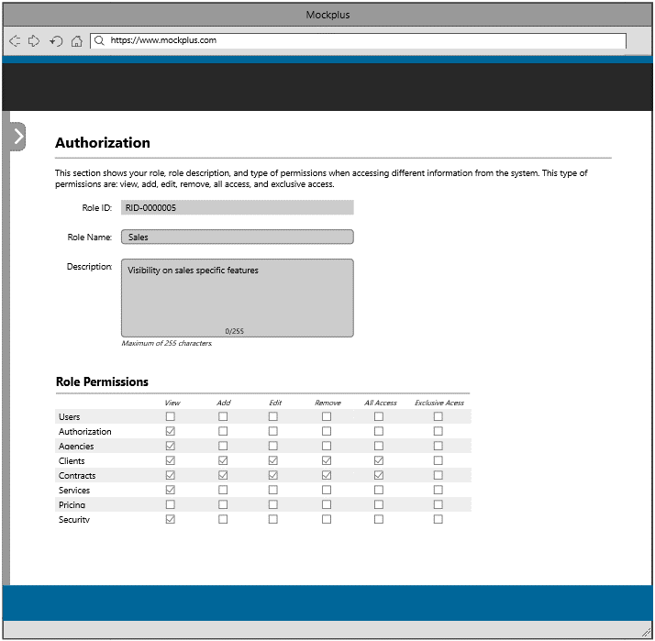

The user will be redirected to this page once the authorization tile or link is clicked

1

This section shows the events that are logged, events such as changing of information, operations that you made and system changes.

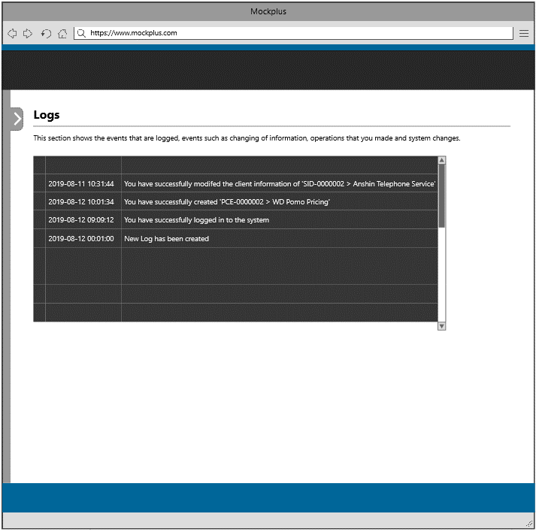

The user will be redirected to this page once the security tile or link is clicked

2

Agency Management
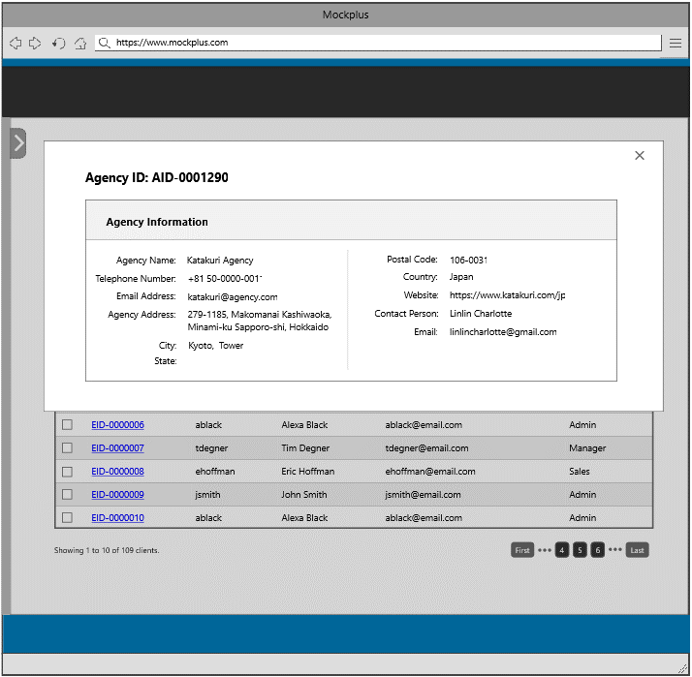
This is the service personnel landing page, wherein the sales personnel has the capability to view different information from the system such as the list of services, pricing, authorization, agencies and security setting. The service personnel also has the capability to create/update/delete a service information and pricing event information. The service personnel will be redirected to a section once he/she select from the item below. This section contains the template for the header and footer.

1

1

1-Agency Information

This section shows all agencies entered into the system including their details and contact person. The user can search for a particular agency by entering the agency ID, agency name, or keyword in the search box.

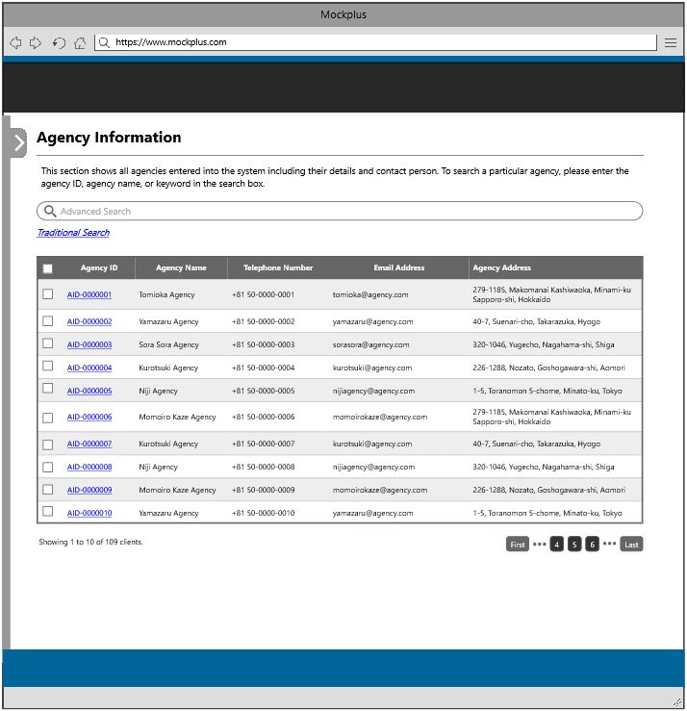

The user will be redirected to this page once the agency information tile or link is clicked

1

This section displays the complete agency information.

